Sheet30
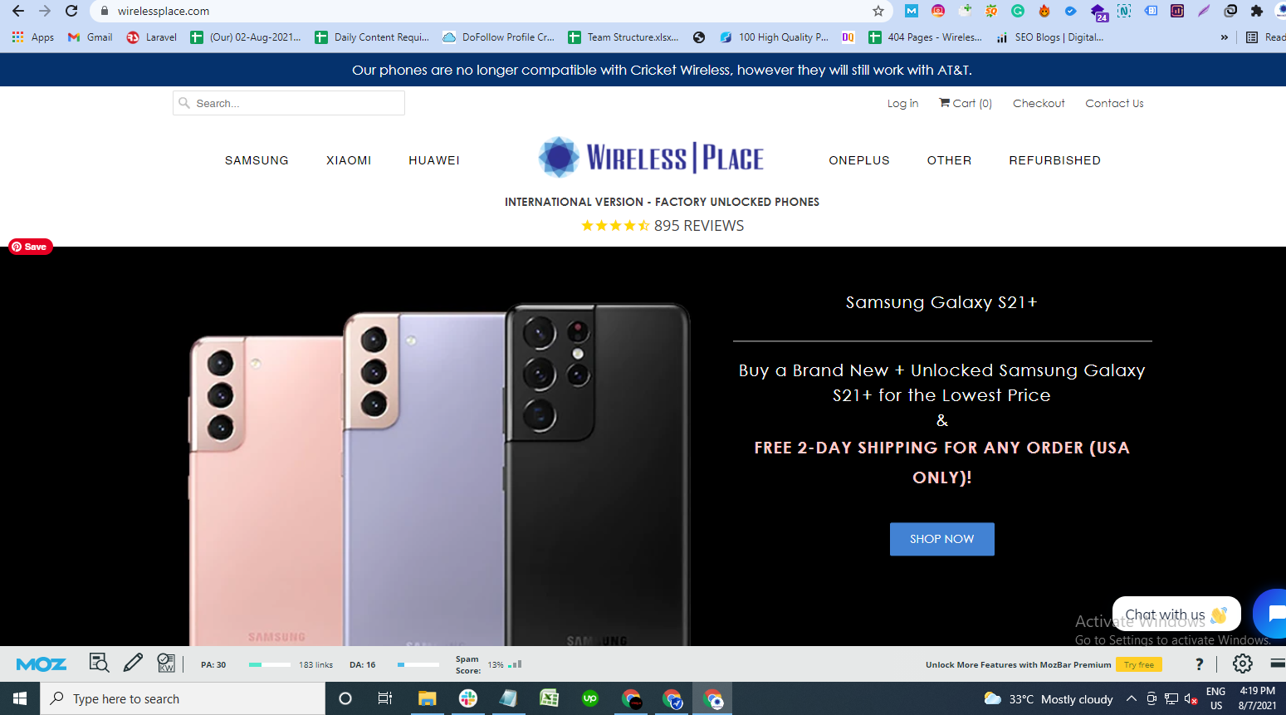
Passwords for email: |  | Phone@NewYork#123

 |  |  | https://www.facebook.com/officialwirelessplace/
2021-06-19 |  |  |  | New Password | Phone@NewYork#123
DA | 15 from 13

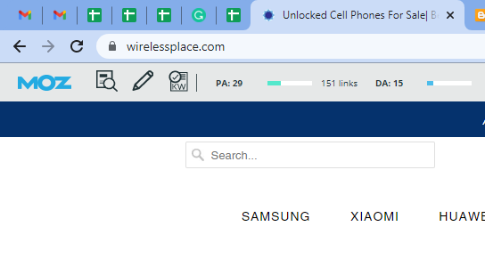
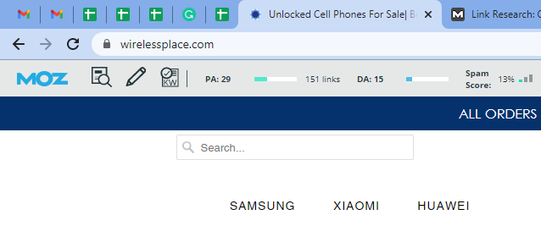

For now, please focus the press release on the 4 interest-free payment installment option we just began offering yesterday.
We have many poor customers who will benefit tremendously from this alternative payment plan.

on 2-Aug-21
DA | 14 to 15
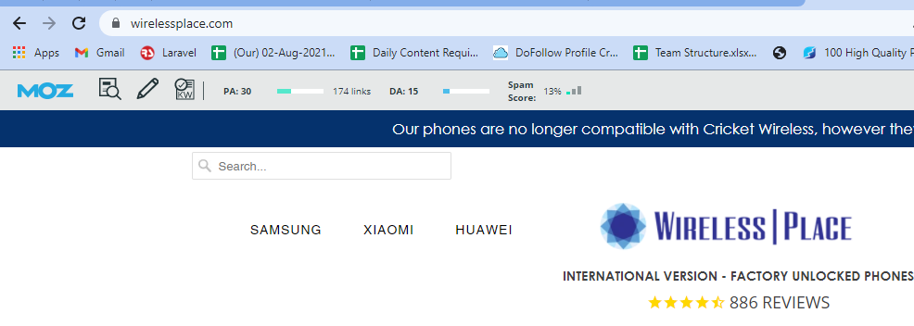

on 7-Aug-21
DA | 15 to 16

Report Summary


Report Summary

White Hat SEO Work as per Google Panda and Penguin Algorithm

Website: https://www.wirelessplace.com

S. No. | Task | Status
1 | Keywords Ranking | Done
2 | Profile creation | Live
3 | Local Citations | Live
4 | Social Bookmarking | Live
5 | Classified Ads | Live
6 | Micro Blogging | Live
7 | Image Sharing | Live
8 | Article Submission | Live
9 | Article Promotions | Live
10 | Website Blog Submission | Live
11 | Web 2.0 Blog Submission | Live
12 | Web 2.0 Blog Promotion | Live
13 | Guest Posting | Live
14 | Guest Posting Promotions | Live
15 | Blog Social Bookmarking | Live
16 | Quora Answering | Live
17 | Infographic Submission | Live
18 | Infographic Promotions | Live
19 | Product Submission | Live
20 | PDF Submission | Live
21 | PDF Promotions | Live
22 | PPT Submission | Live
23 | PPT Promotions | Live
24 | Forum Submission | Live
25 | Competitor Backlinks | Live

